Sheet1
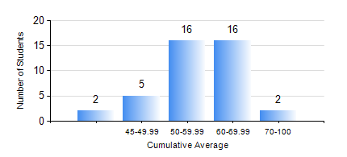
 |  |  | KWAME NKRUMAH UNIVERSITY OF SCIENCE AND TECHNOLOGY, KUMASI Department of Mechanical Engineering

 |  |  | BSC. AUTOMOBILE ENG.

 |  |  | COMPREHENSIVE RECORD OF EXAMINATION RESULTS

 |  |  | RESULTS OF YEAR 2 SECOND SEMESTER, 2020/2021 ACADEMIC YEAR

 | Sn | Course Code |  | Course Name | Credit Hours | Min. Mark | Max. Mark | Avg. Mark | Std. Dev. | No. Passed | No. Trailed | No. (Df) | No. (I) | No. (I*) | No. Tagged(I,I*,Df) | Total
 | 0. |  |  |  |  |  |  | 0 | 0 | 0 | 0 | 0 | 0 | 0 | 0 | 1
 | 1. | AME 274 |  | DESIGN OF AUTO MACHINE ELEMENTS | 3 | 33 | 81 | 51 | 10.82 | 36 | 4 | 0 | 0 | 0 | 0 | 40
 | 2. | AME 284 |  | AUTOMOTIVE ELECTRICAL SYSTEMS AND ELECTRONICS | 2 | 46 | 88 | 70 | 9.56 | 40 | 0 | 0 | 0 | 0 | 0 | 40
 | 3. | AME 296 |  | AUTOMOBILE ENGINEERING LABORATORY II | 1 | 63 | 87 | 73 | 6.9 | 40 | 0 | 0 | 0 | 0 | 0 | 40
 | 4. | MATH 252 |  | CALCULUS WITH SEVERAL VARIABLES | 4 | 31 | 73 | 53 | 9.6 | 39 | 1 | 0 | 0 | 0 | 0 | 40
 | 5. | ME 252 |  | FLUID DYNAMICS I | 2 | 16 | 80 | 49 | 13.93 | 36 | 4 | 0 | 0 | 0 | 0 | 40
 | 6. | ME 264 |  | MECHANISM SYNTHESIS AND ANALYSIS 1 | 3 | 26 | 82 | 59 | 13.23 | 39 | 1 | 0 | 0 | 0 | 0 | 40
 | 7. | ME 270 |  | MANUFACTURING TECHNOLOGY | 3 | 40 | 78 | 56 | 10.16 | 40 | 0 | 0 | 0 | 0 | 0 | 40

